Decision Tree
100% Tradelines From CIBIL
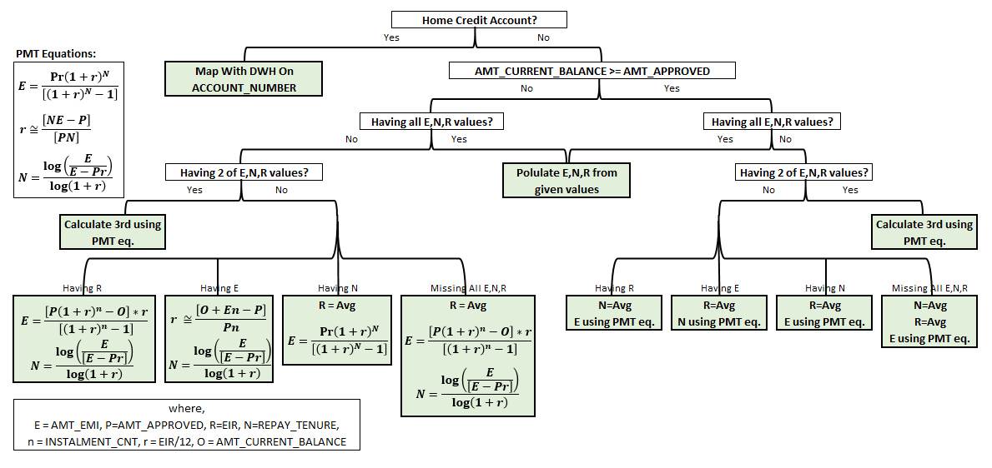

20.7%
79.3%

17%
 | DTI | = | Total Unsecured Outstanding Debt/Annual Income
62.3%
 |  |  | 2X
53.6%
8.7%
2.7%
14.3%
 |  |  | 18X-24X | 6X-15X
 |  |  | 1.5X-2X | 0.5-1.25X

9.7%
2.3%

0.7%
0.4%
1.4%
9.4%
3.7%
2%
1.2%

37%

In case 1 of the 3 outputs needs to be estimated based on averages, preference is given to EIR(Low variance within loan type) followed by REPAY_TENURE.

Equations and Derivations
$$E=\frac{Pr{\left(1+r\right)}^{N}}{\left[{\left(1+r\right)}^{N}−1\right]}$$
 | With Outstanding Balance and Installment Count

$$N=\frac{\log\left(\frac{E}{E−Pr}\right)}{\log\left(1+r\right)}$$
 | Credit Amount | P
 | Monthly EIR | r
PMT Equations | EMI | E
$$r≅\frac{\left[NE−P\right]}{\left[PN\right]}$$
 | Installment No | FV Credit Amount | FV Paid EMI's | Outstanding Amount
 | 1 |  | E(1+r)^6
 | 2 |  | E(1+r)^5
 | 3 |  | E(1+r)^4
 | 4 |  | E(1+r)^3
 | 5 |  | E(1+r)^2
 | 6 |  | E(1+r)
 | 7 | P(1+r)^7 | E | Outstanding Amount
 | 8
 | 9
 | 10
 | 11
$$r≅\frac{\left[O+En−P\right]}{\left[Pn\right]}$$
$$E=\frac{\left[P{\left(1+r\right)}^{n}−O\right]r}{\left[{\left(1+r\right)}^{n}−1\right]}$$
 | Solve for | FV Credit Amount = (ƩFV Paid EMI's) + Outstanding Amount

